<InterfaceName>
SOURCE (EDI 850) |  | CPI |  | TARGET (OrderRequest) |  | Comments
FieldName | Source Path | Mapping Required | Transformation Logic | Target Path | Field Name
 | /M_850 |  | passthrough | /ns4:OrderRequest
 |  |  | CurrentDate(yyyy-MM-dd'T'HH:mm:ss.SSS'Z') | /ns4:OrderRequest/MessageHeader/CreationDateTime
 |  |  | Constant("") | /ns4:OrderRequest/MessageHeader/SenderParty
 |  |  | 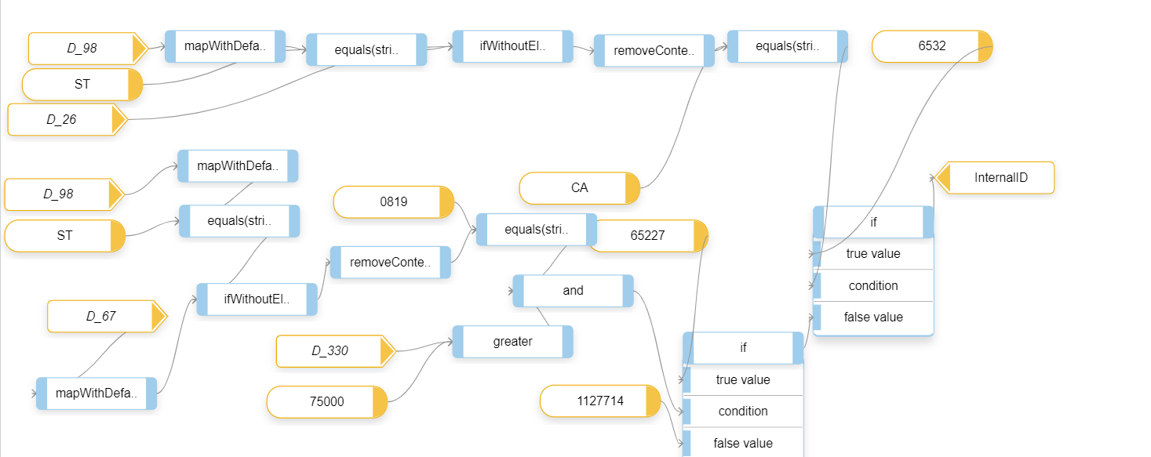 | /ns4:OrderRequest/MessageHeader/SenderParty/InternalID
 |  |  | Constant("") | /ns4:OrderRequest/Order
 |  |  | Constant("01") | /ns4:OrderRequest/Order/ActionCode
 |  |  | Valueof(/M_850/S_BEG/D_324) | /ns4:OrderRequest/Order/PurchaseOrderID
 |  |  | Constant("OR") | /ns4:OrderRequest/Order/PurchasingDocumentType
 |  |  | Valueof(/M_850/S_BEG/D_373) -> DateTrans(formatold(yyyyMMdd) to formatnew(yyyy-MM-dd)) | /ns4:OrderRequest/Order/PurchaseOrderCreationDate
 |  |  | Constant("SoldTo") | /ns4:OrderRequest/Order/Party
 |  |  | Constant("SoldTo") | /ns4:OrderRequest/Order/Party/@PartyType
 |  |  | 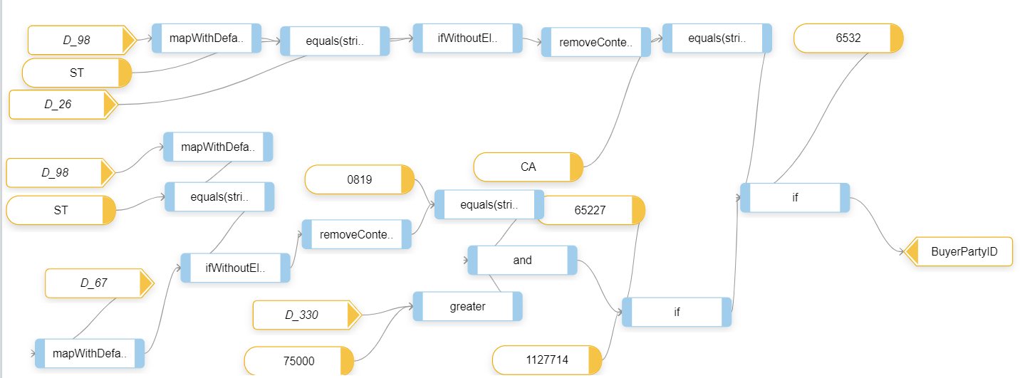 | /ns4:OrderRequest/Order/Party/BuyerPartyID
 |  |  | Constant("ShipTo") | /ns4:OrderRequest/Order/Party[1]
 |  |  | Constant("ShipTo") | /ns4:OrderRequest/Order/Party/@PartyType
 |  |  | 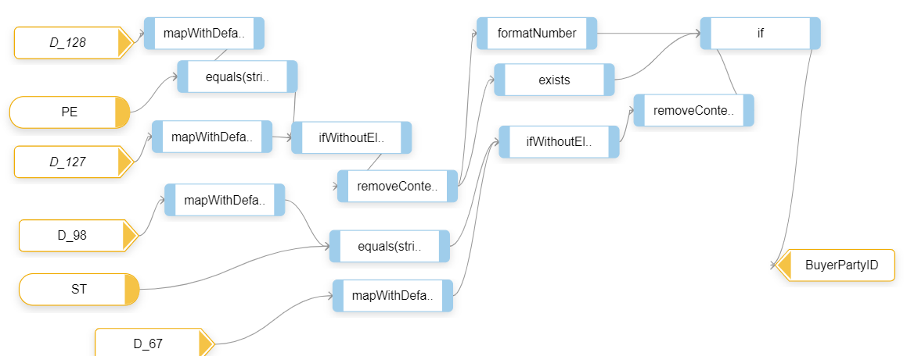 | /ns4:OrderRequest/Order/Party/BuyerPartyID
 |  |  | Constant("Supplier") | /ns4:OrderRequest/Order/Party[2]
 |  |  | Constant("Supplier") | /ns4:OrderRequest/Order/Party/@PartyType
 |  |  | Constant("080334404") | /ns4:OrderRequest/Order/Party/BuyerPartyID
 |  |  | Constant("BillTo") | /ns4:OrderRequest/Order/Party[3]
 |  |  | Constant("BillTo") | /ns4:OrderRequest/Order/Party/@PartyType
 |  |  | IF (Valueof(/M_850/G_N1/S_N1/D_98) equals "RE" THEN pass Valueof(/M_850/G_N1/S_N1/D_67) | /ns4:OrderRequest/Order/Party/BuyerPartyID
 |  |  | IF (Valueof(/M_850/S_CUR/D_374) equals "002" THEN pass Valueof(/M_850/S_CUR/D_373) | /ns4:OrderRequest/Order/RequestedDeliveryDate
 |  |  | IF (Valueof(/M_850/G_N1/S_N1/D_98) equals "SF" THEN pass Valueof(/M_850/G_N1/S_N1/D_67) -> FormatNumber | /ns4:OrderRequest/Order/ReceivingPoint
 |  |  | Constant("Z1") | /ns4:OrderRequest/Order/DeliveryBlockReason
 |  |  | /M_850/S_FOB | /ns4:OrderRequest/Order/HeaderIncoterms
 | 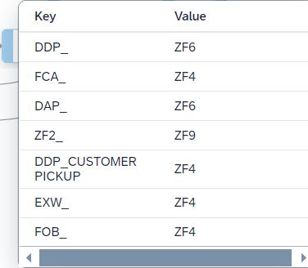 |  |  | /ns4:OrderRequest/Order/HeaderIncoterms/IncotermsLocation1
 |  |  | Constant SalesNote | /ns4:OrderRequest/Order/Text - @Type
 |  |  | Constant TX12 | /ns4:OrderRequest/Order/Text/SupplierTextElementID
 |  |  | Constant EN | /ns4:OrderRequest/Order/Text/TextElementLanguage
 |  |  | Concate all MSG in /M_850/G_N9/S_MSG/D_933 and pass | /ns4:OrderRequest/Order/Text/TextElementText
 |  |  | Constant * | /ns4:OrderRequest/Order/Text/TextElementTextFormat
 |  |  | Constant SalesNote | /ns4:OrderRequest/Order/Text[1] - @Type
 |  |  | Constant TX12 | /ns4:OrderRequest/Order/Text[1]/SupplierTextElementID
 |  |  | Constant EN | /ns4:OrderRequest/Order/Text[1]/TextElementLanguage
 |  |  | /M_850/S_ITD/D_352 | /ns4:OrderRequest/Order/Text[1]/TextElementText
 |  |  | Constant * | /ns4:OrderRequest/Order/Text[1]/TextElementTextFormat
 |  |  | Constant SalesNote | /ns4:OrderRequest/Order/Text[2] - @Type
 |  |  | Constant TX11 | /ns4:OrderRequest/Order/Text[2]/SupplierTextElementID
 |  |  | Constant EN | /ns4:OrderRequest/Order/Text[2]/TextElementLanguage
 |  |  | IF(Valueof(/M_850/G_N1/S_N1/D_98) equals "SF" ) THEN pass Valueof(/M_850/G_N1/S_N1/D_67) Concat with "ShipFrom:" | /ns4:OrderRequest/Order/Text[2]/TextElementText
 |  |  | Constant * | /ns4:OrderRequest/Order/Text[2]/TextElementTextFormat
 |  |  | /M_850/G_PO1/G_PID | /ns4:OrderRequest/Order/OrderItem
 |  |  | Constant("01") | /ns4:OrderRequest/Order/OrderItem/ActionCode
 |  |  | /M_850/G_PO1/S_PO1/D_350 | /ns4:OrderRequest/Order/OrderItem/PurchaseOrderItemID
 |  |  | /M_850/G_PO1/G_PID/S_PID/D_349 | /ns4:OrderRequest/Order/OrderItem/PurchaseOrderItemCategory
 |  |  | /M_850/G_PO1/G_PID/S_PID/D_352 | /ns4:OrderRequest/Order/OrderItem/OrderItemText
 |  |  | /M_850/G_PO1/S_PO1/D_330 | /ns4:OrderRequest/Order/OrderItem/RequestedQuantity
 |  |  | /M_850/G_PO1/S_PO1/D_355 -> fixvalues -> | /ns4:OrderRequest/Order/OrderItem/RequestedQuantity/@unitCode
 |  |  |  | /ns4:OrderRequest/Order/OrderItem/Product/BuyerProductID
 |  |  | /M_850/G_PO1/S_PO1/D_212 | /ns4:OrderRequest/Order/OrderItem/ExpectedNetPrice/Amount
 |  |  | /M_850/G_PO1/S_PO1/D_330 | /ns4:OrderRequest/Order/OrderItem/ExpectedNetPrice/BaseQuantity
 |  |  | /M_850/G_PO1/S_PO1/D_212 | /ns4:OrderRequest/Order/OrderItem/ExpectedNetAmount
 |  |  | 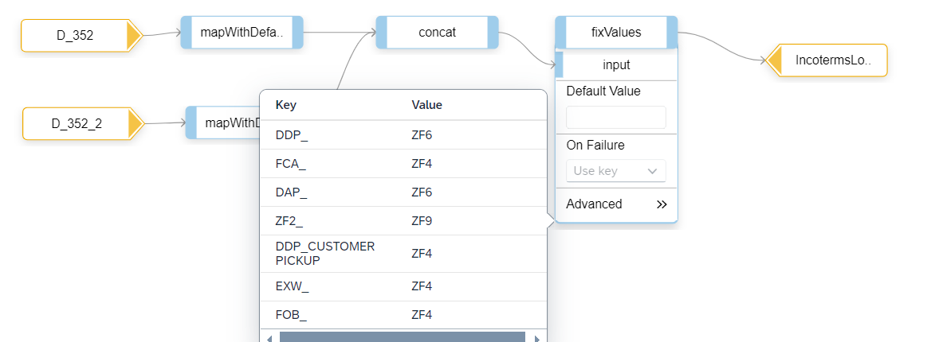 | /ns4:OrderRequest/Order/OrderItem/ItemIncoterms/IncotermsLocation1
 |  |  |  | /ns4:OrderRequest/Order/OrderItem/Text
 |  |  | Constant SalesNote | /ns4:OrderRequest/Order/OrderItem/Text - @Type
 |  |  | Constant TX12 | /ns4:OrderRequest/Order/OrderItem/Text/SupplierTextElementID
 |  |  | Constant EN | /ns4:OrderRequest/Order/OrderItem/Text/TextElementLanguage
 |  |  | Concate all MSG in /M_850/G_PO1/G_N9/S_MSG/D_933 and pass | /ns4:OrderRequest/Order/OrderItem/Text/TextElementText
 |  |  | Constant * | /ns4:OrderRequest/Order/OrderItem/Text/TextElementTextFormat
 |  |  |  | /ns4:OrderRequest/Order/OrderItem/Text[1]
 |  |  | Constant SalesNote | /ns4:OrderRequest/Order/OrderItem/Text[1] - @Type
 |  |  | Constant TX12 | /ns4:OrderRequest/Order/OrderItem/Text[1]/SupplierTextElementID
 |  |  | Constant EN | /ns4:OrderRequest/Order/OrderItem/Text[1]/TextElementLanguage
 |  |  | IF(Valueof(/M_850/G_PO1/S_PO1/D_235_3) equals "VP" ) THEN pass Valueof(/M_850/G_PO1/S_PO1/D_234_3) | /ns4:OrderRequest/Order/OrderItem/Text[1]/TextElementText
 |  |  | Constant * | /ns4:OrderRequest/Order/OrderItem/Text[1]/TextElementTextFormat
 |  |  | /M_850/S_BEG/D_373 -> DateTrans(formatold(yyyyMMdd) to formatnew(yyyy-MM-dd)) | /ns4:OrderRequest/Order/OrderItem/ScheduleLine/RequestedDeliveryDate
 |  |  | /M_850/G_PO1/S_PO1/D_330 | /ns4:OrderRequest/Order/OrderItem/ScheduleLine/ScheduleLineOrderQuantity
 |  |  | /M_850/G_PO1/S_PO1/D_355 | /ns4:OrderRequest/Order/OrderItem/ScheduleLine/ScheduleLineOrderQuantity/@unitCode

